Merlo
Part | Model | Mold | Product(Premium Package) | Picture
 | € 15,142 | € 30,285 | € 36,500 | 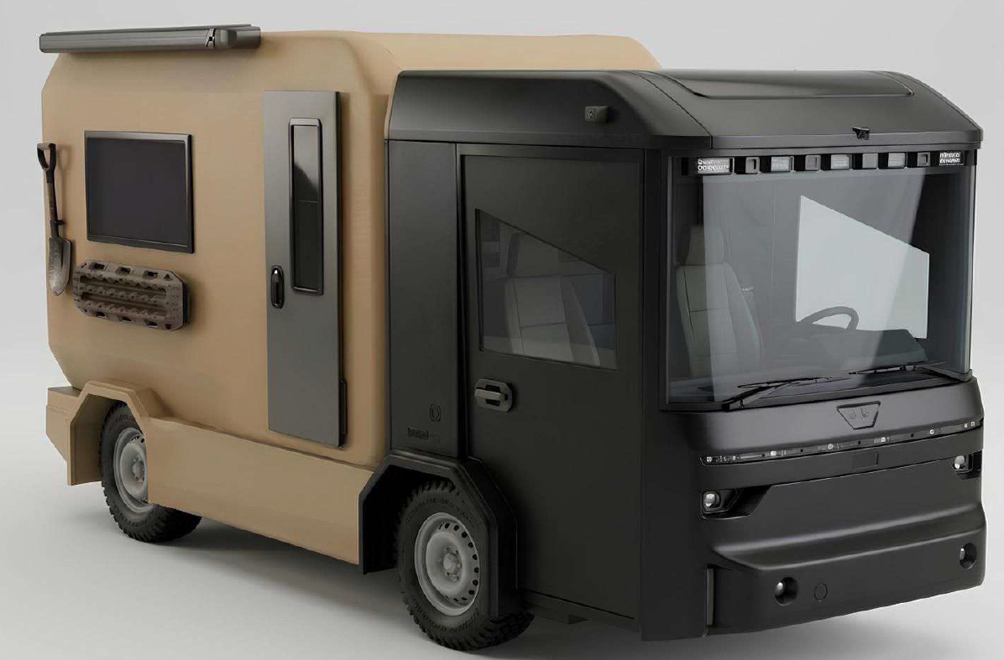

Total Price | € 15,142 | € 30,285 | € 36,500

